G-1 PW Operations
FY 2024-28 CAPITAL IMPROVEMENT PLAN
GENERAL GOVERNMENT

G-1 PW Operations

Expenses |  | 24-25 | 25-26 | 26-27 | 27-28 | 28-29 | Total
Professional Services |  |  |  | $175,000 | $- | $- | $175,000
Construction |  | $- | $- |  | $1,500,000 | $- | $1,500,000
Total Expenses |  | $- | $- | $175,000 | $1,500,000 | $- | $1,675,000

Funding Source |  | 24-25 | 25-26 | 26-27 | 27-28 | 28-29 | Total
General Fund Reserve |  | $- | $- | $175,000 | $1,500,000 | $- | $1,675,000
Other |  | $- | $- | $- |  | $- | $-
Total Funding |  | $- | $- | $175,000 | $1,500,000 | $- | $1,675,000

Operating Impact |  | 24-25 | 25-26 | 26-27 | 27-28 | 28-29 | Total
Supplies & Services |  | $- |  |  | $- | $- | $-
Total Operating Impact |  | $- | $- | $- | $- | $- | $-

Total Project Cost |  |  | Operating Budget Impact/Other:
$1,675,000 |  |  | This project will be designed by a design professional, and put out for competitive bid.

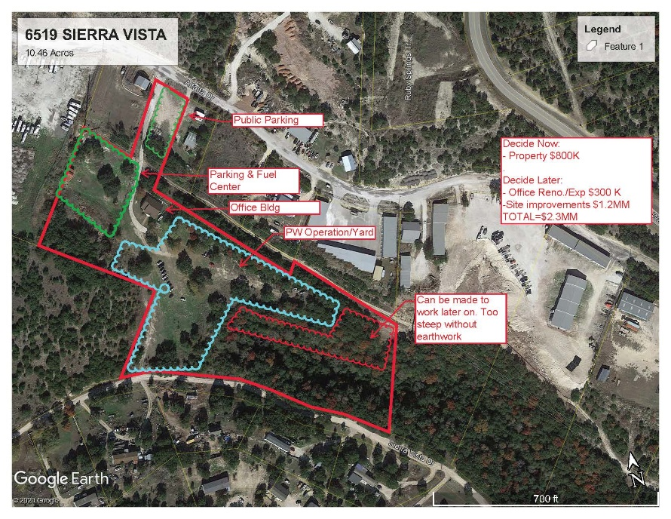
Status, Priority, Justification and Project Management
Project Status | New
Priority | High
Justification | Expansion
Managing Department | Public Works
Project Details
The City will utilize the Alfalfa Property to expand the Public Works storage and operations yard, supporting the department's growing space and logistical needs. As noted in the FY-24 budget proposal, the $1.5 million construction cost was a placeholder based on preliminary estimates. The actual project cost will be determined once the full scope is defined and engineering plans are completed.

FUNDING SOURCE

 |  | $2,800,000 | $2,370,000 | $10,000,000
 |  | 650000

 |  | 3000000
 |  | 65000

 |  | 6542000 | $4,135,000

 |  | $225,000 | $- | $175,000 | $- | $-
 |  | 6542000 | 4135000
 |  | 715000 | 0 | 0 | 0

 |  | 15100000 | 36600000 | 16500000

ST-1 Street Rehab
FY 2024-28 CAPITAL IMPROVEMENT PLAN
STREETS

ST-1 Street Rehab

Expenses |  | 24-25 | 25-26 | 26-27 | 27-28 | 28-29 | Total
Professional Services |  | $- | $- | $- | $- | $- | $-
Construction |  | $8,000,000 | $4,000,000 |  | $- | $- | $12,000,000
Total Expenses |  | $8,000,000 | $4,000,000 | $- | $- | $- | $12,000,000

Funding Source |  | 24-25 | 25-26 | 26-27 | 27-28 | 28-29 | Total
Previous CO |  | $8,000,000 | $4,000,000 | $- | $- | $- | $12,000,000
Other |  | $- | $- | $- | $- | $- | $-
Total Funding |  | $8,000,000 | $4,000,000 | $- | $- | $- | $12,000,000

Operating Impact |  | 24-25 | 25-26 | 26-27 | 27-28 | 28-29 | Total
Supplies & Services |  | $- | $- | $- | $- | $- | $-
Total Operating Impact |  | $- | $- | $- | $- | $- | $-

Total Project Cost |  |  | Operating Budget Impact/Other:
$12,000,000

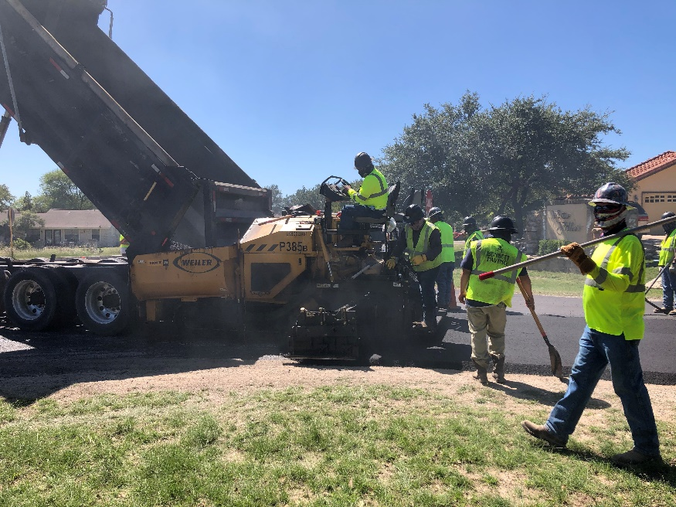
Status, Priority, Justification and Project Management
Project Status | New
Priority | High
Justification | Expansion
Managing Department | Public Works
Project Details
This will address street maintenance on 267 streets that have identified as in either fair, poor, or very poor condition. This cost is for milling and overlaying the listed streets over a three (3) calendar year period.

FUNDING SOURCE

 |  | $2,800,000 | $2,370,000 | $10,000,000
 |  | 650000

 |  | 3000000
 |  | 65000

 |  | 6542000 | $4,135,000

 |  | $225,000 | $- | $175,000 | $- | $-
 |  | 6542000 | 4135000
 |  | 715000 | 0 | 0 | 0

 |  | 15100000 | 36600000 | 16500000

PK-1 Sunset Park Driveway
FY 2024-28 CAPITAL IMPROVEMENT PLAN
PARKS

PK-1 Sunset Park East Driveway Entrance

Expenses |  | 24-25 | 25-26 | 26-27 | 27-28 | 28-29 | Total
Professional Services |  | $25,000 | $17,150 | $- | $- | $- | $42,150
Amenities |  | $- | $- | $- | $- | $- | $-
Construction |  | $200,000 | $310,000 |  | $- | $- | $510,000
Total Expenses |  | $225,000 | $327,150 | $- | $- | $- | $552,150

Funding Source |  | 25-25 | 25-26 | 26-27 | 27-28 | 28-29 | 0
General Fund Reserve |  | $225,000 | $327,150 |  | $- | $- | $552,150
N/A |  | $- | $- |  | $- | $- | $-
Total Funding |  | $225,000 | $327,150 | $- | $- | $- | $552,150

Operating Impact |  | 24-25 | 25-26 | 26-27 | 27-28 | 28-29 | Total
Supplies & Services |  | $- | $- | $- | $- | $- | $-
Total Operating Impact |  | $- | $- | $- | $- | $- | $-

Total Project Cost |  |  | Operating Budget Impact/Other:
$552,150

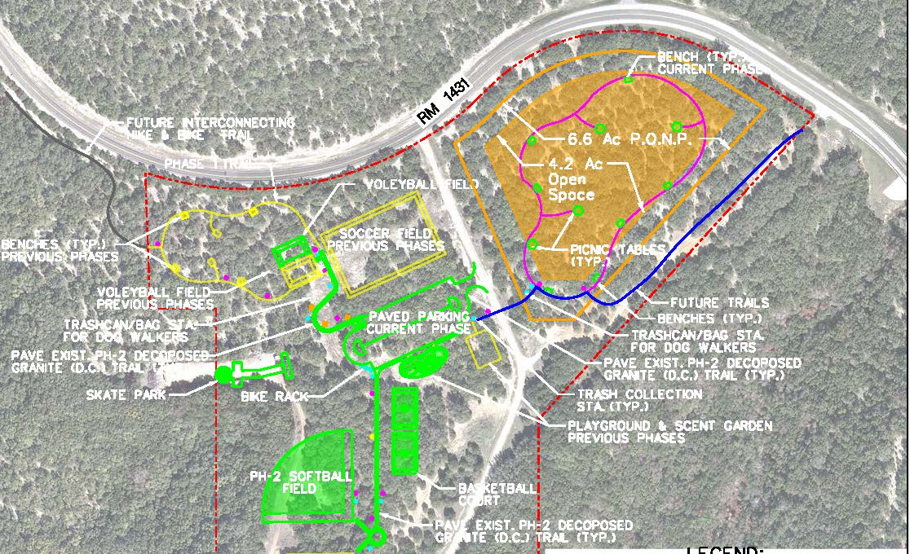
Status, Priority, Justification and Project Management
Project Status | New
Priority | High
Justification | Risk Mitigation
Managing Department | Public Works
Project Details
The project has successfully completed the TxDOT review process, and all necessary permits have been issued. Mills Construction has been awarded the contract, and construction is now underway. Completion is estimated for early 2026. The project cost has been updated to reflect the actual construction cost of $500,100. This funding will support the development of a new entrance to Sunset Park.

FUNDING SOURCE
 |  | $2,800,000 | $2,370,000 | $10,000,000
 |  | 650000

 |  | 3000000
 |  | 65000

 |  | 6542000 | $4,135,000

 |  | $225,000 | $- | $175,000 | $- | $-
 |  | 6542000 | 4135000
 |  | 715000 | 0 | 0 | 0

 |  | 15100000 | 36600000 | 16500000

WTP #3 Upgrade
FY 2024-28 CAPITAL IMPROVEMENT PLAN
Water Treatment

Water Treatment Plant #3 Upgrade

Expenses |  | 24-25 | 25-26 | 26-27 | 27-28 | 28-29 | Total
Professional Services |  | $150,000 | $2,850,000 |  | $- | $- | $3,000,000
Construction |  | $- |  | $10,000,000 | $10,000,000 | $6,500,000 | $26,500,000
Total Expenses |  | $150,000 | $2,850,000 | $10,000,000 | $10,000,000 | $6,500,000 | $29,500,000

Funding Source |  | 24-25 | 25-26 | 26-27 | 27-28 | 28-29 | Total
Water Impact Fee |  | $150,000 | $2,850,000 | $- | $- |  | $3,000,000
Other |  |  | $- | $10,000,000 | $10,000,000 | $6,500,000 | $26,500,000
Total Funding |  | $150,000 | $2,850,000 | $10,000,000 | $10,000,000 | $6,500,000 | $29,500,000

Operating Impact |  | 24-25 | 25-26 | 26-27 | 27-28 | 28-29 | Total
None |  | $- |  |  |  | $200,000 | $200,000
Total Operating Impact |  | $- | $- | $- | $- | $200,000 | $200,000

Total Project Cost |  |  | Operating Budget Impact/Other:
$29,500,000 |  |  | The proposed expansion of the Water Treatment Plant (WTP) will have an impact on the operating budget due to increased staffing requirements, higher energy consumption, and additional maintenance associated with the new treatment capacity and upgraded systems. While the expansion will improve efficiency and service reliability, it will also introduce more complex infrastructure that requires ongoing oversight and operational support. These factors should be considered in future budgeting to ensure the utility is adequately resourced to manage the expanded facility.

Status, Priority, Justification and Project Management
Project Status | New
Priority | High
Justification | Expansion
Managing Department | Public Works
Project Details
As part of the CIP list provided in the Water Master Plan, this cost has increased to a total of $29,500,000 to upgrade Water Treatment Plant #3 spread out over 3 fiscal years. The proposed project involves the expansion of the existing Water Treatment Plant (WTP) to increase treatment capacity and improve system efficiency, while simultaneously installing two key transmission mains. One transmission line will run along Lohman Ford Road to connect the WTP to the North Pressure Plane, enabling expanded service and improved pressure stability in northern areas. The second line will connect the WTP to the Viking Tank, enhancing system connectivity and supporting future distribution system expansion. Together, these improvements will ensure the utility can meet growing demand, maintain regulatory compliance, and provide reliable service across the entire service area.It is important to note that the cost associated with the transmission piping is not included in the current project budget and will need to be addressed separately.

 |  |  | $2,370,000 | $10,000,000
FUNDING SOURCE

 |  | 3000000
 |  | 65000

 |  | 6542000 | $4,135,000

 |  | $225,000 | $- | $175,000 | $- | $-
 |  | 6542000 | 4135000
 |  | 65000 | 0 | 0 | 0

 |  | 15100000 | 36600000 | 16500000

New Talon Hydro Tank
FY 2024-28 CAPITAL IMPROVEMENT PLAN
Water Distrubution

New Talon Hydro Tank

Expenses |  | 24-25 | 25-26 | 26-27 | 27-28 | 28-29 | Total
Professional Services |  |  | $150,000 | $- | $- | $- | $150,000
Construction |  | $- |  | $1,450,000 | $- | $- | $1,450,000
Total Expenses |  | $- | $150,000 | $1,450,000 | $- | $- | $1,600,000

Funding Source |  | 24-25 | 25-26 | 26-27 | 27-28 | 28-29 | Total
Water Impact Fee |  |  | $150,000 | $- | $- | $- | $150,000
Previous CO |  | $- |  | $1,450,000 | $- | $- | $1,450,000
Total Funding |  | $- | $150,000 | $1,450,000 | $- | $- | $1,600,000

Operating Impact |  | 24-25 | 25-26 | 26-27 | 27-28 | 28-29 | Total
None |  | $- |  |  | $- | $- | $-
Total Operating Impact |  | $- | $- | $- | $- | $- | $-

Total Project Cost |  |  | Operating Budget Impact/Other:
$1,600,000

Status, Priority, Justification and Project Management
Project Status | New
Priority | High
Justification | Expansion
Managing Department | Public Works
Project Details
As part of the Water Master Plan, the existing hydropneumatic tank at the Talon Tank site was identified as undersized based on Texas Commission on Environmental Quality (TCEQ) requirements. To address this deficiency and support system reliability, the project will include upsizing the hydro tank to meet regulatory standards. In addition, the scope includes installing a backup generator to ensure operational continuity during power outages, and upsizing the distribution pumps to improve system pressure and support growing demand within the service area. These improvements are critical to maintaining compliance, enhancing system performance, and ensuring reliable water service to customers.

 |  |  | $2,370,000 | $10,000,000
FUNDING SOURCE

 |  | 3000000
 |  | 65000

 |  | 6542000 | $4,135,000

 |  | $225,000 | $- | $175,000 | $- | $-
 |  | 6542000 | 4135000
 |  | 65000 | 0 | 0 | 0
...

Effluent Ponds
...
 | $2,370,000 | $10,000,000
FUNDING SOURCE
Uitility Fund Reserve | $9,990,000

3000000
65000

6542000 | $4,135,000

$225,000 | $- | $175,000 | $- | $-
6542000 | 4135000
65000 | 0 | 0 | 0
...

GC Effluent Irrigation
...
Total Project Cost |  |  | Operating Budget Impact/Other:
$5,595,000 |  |  | Some operational costs will increase, but that amount is unknown at this time.

Status, Priority, Justification and Project Management
Project Status | New
Priority | High
Justification | Expansion
Managing Department | Public Works
Project Details
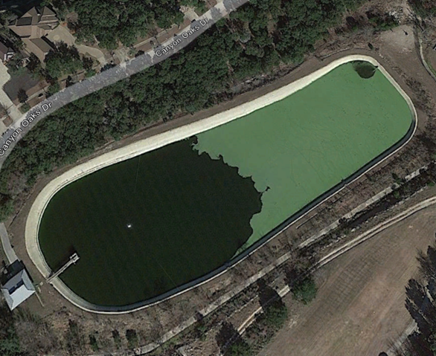
The Lago Vista Golf Course is absolutely essential to the City's effluent disposal process permitted by TCEQ. This irrigation system is in desperate need of repair, and well past its useful life. Currently, due to trash and debris that have collected in the lines over the course of 50 years, they are unable to irrigate the volume of effluent needed to keep up effluent production volumes. As a result, the conditions at the golf course have decreased dramatically, and a large burden is being placed on the Cedar Breaks Effluent Pond. Also, this irrigation system will include a new pump house on the new effluent pond being proposed on hole #2. This will completely seperate Public Works & Golf Course operations. By doing this, the Golf Course Superintendant will no longer have to call Public Works Personnel to turn on/off any pumps. This upgraded irrigation system will allow for an increase in disposal volumes, and will greatly improve efficiency.

 |  |  | $2,370,000 | $10,000,000
FUNDING SOURCE
Previous CO | $5,595,000

 |  | 3000000
 |  | 65000

 |  | 6542000 | $4,135,000

 |  | $225,000 | $- | $175,000 | $- | $-
 |  | 6542000 | 4135000
 |  | 65000 | 0 | 0 | 0
...

WWTP Upgrade
...
 | $2,370,000 | $10,000,000
FUNDING SOURCE
Previous CO | $3,000,000

3000000
65000

6542000 | $4,135,000

$225,000 | $- | $175,000 | $- | $-
6542000 | 4135000
65000 | 0 | 0 | 0
...

Lift Stations
...
Total Project Cost |  |  | Operating Budget Impact/Other:
$1,150,000

Status, Priority, Justification and Project Management
Project Status | New
Priority | High
Justification | Rehabilitation
Managing Department | Public Works
Project Details
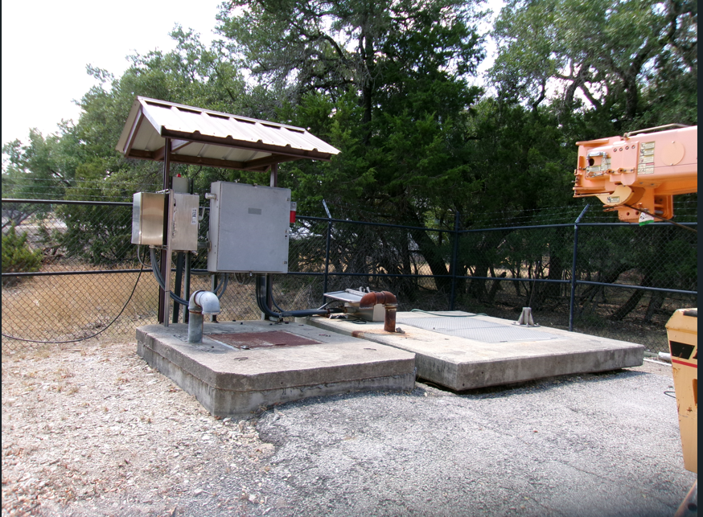
This project involves the rehabilitation of an existing wastewater lift station to improve operational efficiency, reliability, and compliance with current standards. The scope of work includes the replacement or refurbishment of pumps, motors, control panels, piping, valves, and structural components, as well as electrical and SCADA system upgrades. Rehabilitation of the lift station is necessary due to aging infrastructure, increased maintenance needs, and growing service demands. The improvements will reduce the risk of system failures or overflows and extend the service life of critical wastewater infrastructure.

FUNDING SOURCE
Uitility Fund Reserve | $1,150,000

 |  | 3000000
 |  | 65000

 |  | 6542000 | $4,135,000

 |  | 1153000 | 968000

